Screenshot
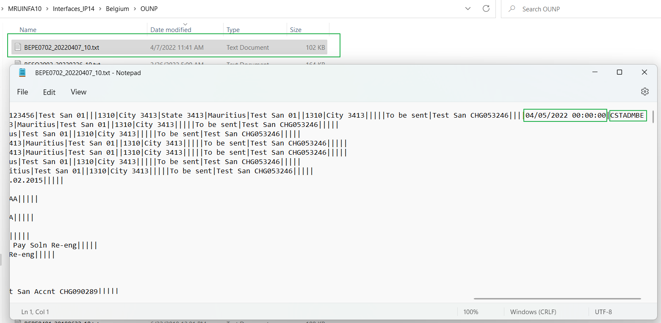
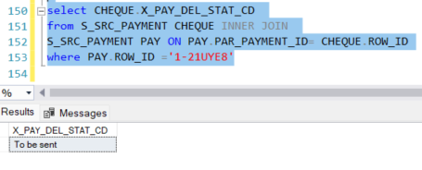
Screenshot 1

Screenshot 2
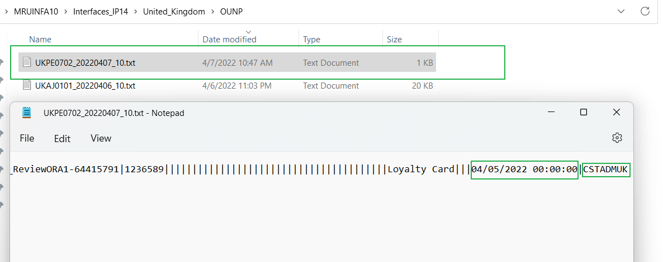

Screenshot 3

Screenshot 4

Screenshot 4

Screenshot 5

